App Analysis Findings
S.N. Date | Title of the Apps | Analysis Findings Front End | Analysis FindingsApk | Comments/Remarks
1. Feb 7 | Heart Rate Monitor | 1. 1 Million Download, Ratings 4.3 2. Image based: Probably several images are captures over phone camera and using flash light. Measures your heart rate by analyzing blood flow on the tip of your finger 3. From repsiapp@gmail.com, Oxford University , Computes HR perfectly (I Checked over Blood Pressure Devise) | 1. Calculation is based on many points, X-Y Dimension, too hard tounderstand as beginer | Seems quite accurate as the Apps result is 90 where as my Blood Pressure Machine Result is 91. USEFULL
2. Feb 10 | Blood Pressure | 1. Stores the data input by user (Sys, Dia, Pulse) 2. Shows Graph as per input, Rate of Changes (Trends) and Type of Hypertension 3. 5 Million Download, Review 4.1 (Too many positive comment thus may not real) | Stored Data in pobably in array and build graph using Kotlin library | It uses Kotlin, Usefull to show the rate of changes
3. Feb 15 | BMI Calculator | 1. Input H, W, Age and shows the BMI and Fat ratio 2. Unable to capture the error prone inputs such as Age = 350 yr, Height = 44 ft but some how manage to capture the weight within range of 315 kg for my case (do not show result in case of more than 100 ratio) 3. 1 M download | Not found any mathmetical calculation | Useful for adult, not consider the gender fact
4. Feb 17 | Calorie Counter | 1. During the sign-up process user need to input several information from weight, height, goal, what s/he want and how. Also including email. 2. Too complicated user interface, but seems work well for weight loss or gain. 3. Suggest Calories based on data 4. One can creat her/his meal chart, can select food and appox. calory 5. 500 Million Download, with 4+ review | Didn't do that analysis | Use another third party apps for exercise calculation
5. Feb 18 | Pacifica | 1. Mental Health Related Medication Apps 2. Plays sound/music or medcation related AUDIO files; for example if you choose you love ocean then it will play sound of ocean wave and some female voice will speak for a patient 3. In a article I found that this app is highly utilized by the researcher for survey 4. Only 50 Thousan download with 4+ reiew | Not done | You can set you week end with, good interface can be very useful for dipressed patient
6. Feb 21 | Cardiograph - Heart Rate Meter | 1. Similar to Heart Rate Monitor (Apps 1) 2. But Heart Rate Monitor is much better with respect to visualization of changes 3. 10 Million Download with 3.9 Review Score | Not Done | 1. More download than 1, but less attaractive
7. Feb 21 | Diabetes, Blood Pressure, Health Tracker App | 1. User need to provide a name and email, but the app unable to varify it. 2. Too many features inside a single apps 3. Can produce result and graph 4. 50 k Download with 4.2 rating | Not Done | 1. Clumzy App, Data Driven input output based feature selection, Too many information inside a single App | 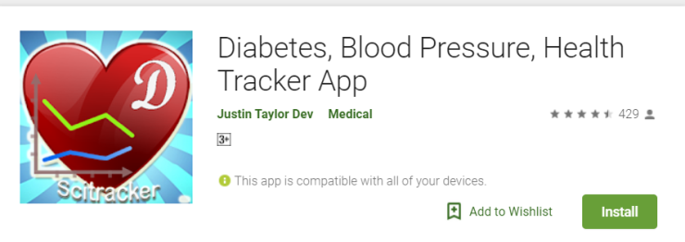
8. Feb 21 | NeuroNation - Brain Training & Brain Games | 1. Based on four interesting easy game it suggest score 2. Have some scientific calculation 3. 10 Million download with 4.5 ratings | Not Done | 1. Seems pretty interesting Apps 2. For mental strength and weekness
9. Feb 22 | ReHand, Hand Rehabilitation App on the Tablet | 1. Apps for Hand Rehabilitation App on the Tablet 2. Come with six language, need to register and login, mainly 3 exercise wih movement of fingure and circle inside it. You can choose circe size, progress is shown. Claims that several DOCTOR were involved 3. Only 5K Install with 4.1 review, | Not Done | 1. Might be Useful one with figure not working properly
10. Feb 22 | iRecovery (Addiction Recovery Tracker) | 1. Sex Addiction Recovery Tracker 2. Confusing, need to select some criteia (input it) then some point based something 3. Hard to understand (1 K download, 4.5 Review) | Not Done | 1. Confusing, seems attract user to bye books. Tool and vedio so that developer can earn money
11. Feb 22 | My Cardiac Coach | 1. Rehabitation Apps, need log in, stores data for day month, year 2. Some lession abvailable, Develop by AHA 3. 10k Download, Review 3.7 |  | 1. Uninteresting App
12. Feb 22 | FibriCheck | IT is a paid app thus not able to evaluate it.
13. Feb 22 | HRV Stress check. EKG Biofeedback by Welltory | 1. Measures Heart Rate for quite a long 2. Based on it, several recommendation provied 3. 100 K download, 4.2 |  | 1. Might be useful, not sure about the authenticty
14. Feb 22 | QuitNow! Quit smoking | 1. User Chat version seen only in thsese helth app. 2. Statistics for heart rate becoming normal, many other feature 3. 1 Million Download, Review 4.2 |  | 1. Might be useful but not interesting
15. Feb 22 | Diabetes:M | 1. Glucose and other data stored, shows a terget level 3. 500 K Download
16. Feb 25 | Pills Time💊Medication Tracker & Pill Reminder | 1. Apps for Pills, drops, medicine reminder 2 . Input as you want, it will remind you about it. |  | Confusing with respect to uses of quick add
17. Feb 25 | CareZone | 1. Can Scan Medicine and then do remind for taking it |  | Use Image to Text Anslysis
18. Feb 25 | FitChit - Health & Fitness tracker | 1. Seems to me only take input and show some graph as outputs |  | Use less
20. Feb 25 | Handy Weight Loss Tracker, BMI | 1. Takes wieght and height shows BMI, You can input your weight over time even for future date 2. Show BMI Graph, but not fitted in Screen |  | Use Less
21. Feb 25 | iBP Monitor | Requires Device
22. Feb 25 | WW (Weight Watchers) | Requires pass code which has to be buy for store
23. Feb 25 | Fasting Secret | Not Android App
22. Feb 26 | control tension app | Removed from google Play

